Topline
What is the main capacity in which you are responding to this consultation?
CONSULTATION ON PROPOSED GREENING IN POWDER MILL LANE / HANWORTH LANE, WHITTON
There were 113 responses in total to this consultation.
Question 1

What is the main capacity in which you are responding to this consultation?

Response | Number of respondents | Percentage of all respondents
TOTAL NUMBER OF RESPONDENTS ANSWERING THIS QUESTION | 113 | 100%
I live in the local area | 104 | 92%
I commute through the local area | 5 | 4%
I have a business in the local area | 2 | 2%
I work/study in the local area | 1 | 1%
I'm responding on behalf of a local group or organisation | 1 | 1%
None of the above / other | 0 | 0%

Question 2

What is your postcode?

TOTAL NUMBER OF RESPONDENTS ANSWERING THIS QUESTION | 112

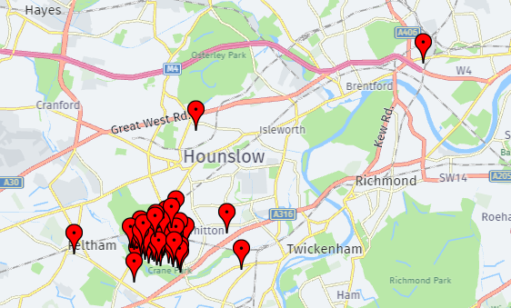
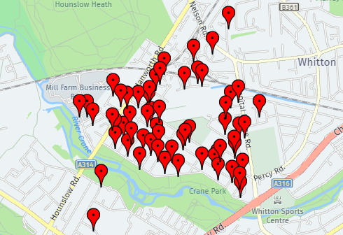

YOUR VIEWS - POWDERMILL LANE PARADE

Overall to what extent do you support the proposals for Powdermill Lane Parade?
Question 3

Overall to what extent do you support the proposals for Powdermill Lane Parade?

Response | Number of respondents | Percentage of all respondents
TOTAL NUMBER OF RESPONDENTS ANSWERING THIS QUESTION | 110 | 100%
Support | 94 | 85%
Do not support | 12 | 11%
Don't know / no opinion | 4 | 4%

Question 4

Please tell us if you have any comments about the proposals for Powdermill Lane Parade:

Open response (free text) question | Number of respondents
TOTAL NUMBER OF RESPONDENTS ANSWERING THIS QUESTION | 82

YOUR VIEWS - HANWORTH ROAD PARADE
Overall to what extent do you support the proposals for Hanworth Road Parade?
Question 5

Overall to what extent do you support the proposals for Hanworth Road Parade?

Response | Number of respondents | Percentage of all respondents
TOTAL NUMBER OF RESPONDENTS ANSWERING THIS QUESTION | 107 | 100%
Support | 88 | 82%
Do not support | 12 | 11%
Don't know / no opinion | 7 | 7%

Question 6

Please tell us if you have any comments about the proposals for Hanworth Road Parade:

Open response (free text) question | Number of respondents
TOTAL NUMBER OF RESPONDENTS ANSWERING THIS QUESTION | 61

RESPONDENT PROFILE

Question 7

Are you:

Response | Number of respondents | Percentage of all respondents
TOTAL NUMBER OF RESPONDENTS ANSWERING THIS QUESTION | 111 | 100%
Male | 37 | 33%
Female | 69 | 62%
Prefer not to say | 4 | 4%
Prefer to self describe | 1 | 1%

Question 8

What was your age last birthday?

Response | Number of respondents | Percentage of all respondents
TOTAL NUMBER OF RESPONDENTS ANSWERING THIS QUESTION | 112 | 100%
19 and under | 0 | 0%
20-24 | 5 | 4%
25-34 | 7 | 6%
35-44 | 21 | 19%
45-54 | 30 | 27%
55-64 | 17 | 15%
65-74 | 12 | 11%
75+ | 12 | 11%
Prefer not to say | 8 | 7%

Question 9

Do you consider yourself to have a disability?

Response | Number of respondents | Percentage of all respondents
TOTAL NUMBER OF RESPONDENTS ANSWERING THIS QUESTION | 110 | 100%
Yes | 9 | 8%
No | 94 | 85%
Prefer not to say | 7 | 6%

Question 10

How would you describe your ethnic group?

Response | Number of respondents | Percentage of all respondents
TOTAL NUMBER OF RESPONDENTS ANSWERING THIS QUESTION | 110 | 100%
White | 84 | 76%
Mixed/multiple ethnic groups | 3 | 3%
Asian or Asian British | 7 | 6%
Black/African/Caribbean/Black British | 3 | 3%
Prefer not to say | 12 | 11%
Other ethnic group | 1 | 1%

